Enquiry
transversal axis
y
Longitudinal axis of the structure
x
 |  |  | Version 2.0
 | ENQUIRY FOR MECHANICAL BEARINGS
Freyssinet will make any assumtpions required where data is not available. Please use the dropdown menus and provide as much information as possible. Email the completed form to products@freyssinet.co.uk |  |  |  | Note: : | Directions 'transversal' and 'longitudinal' refer to the structure
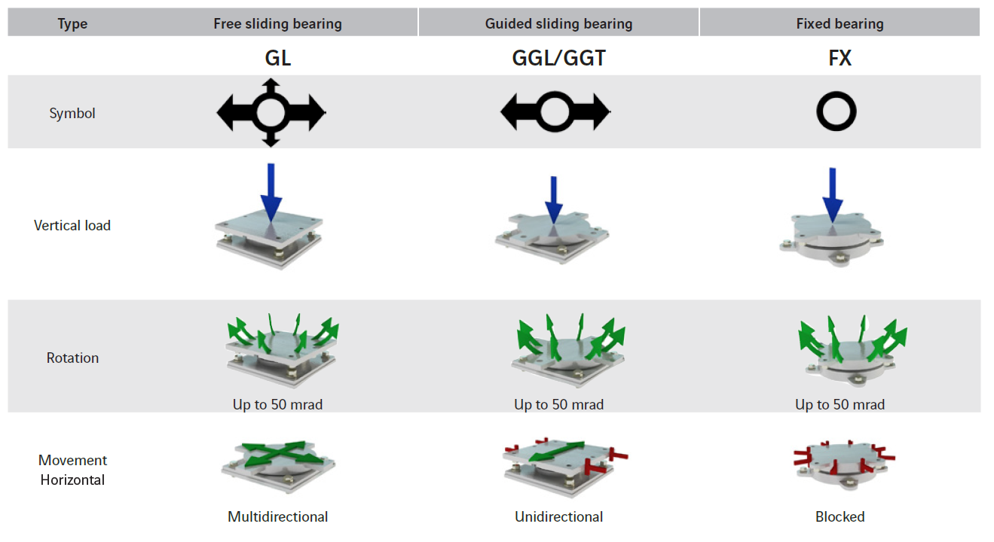
 |  | Language: | EN

 | Project data: | Customer:
 |  | Contact person:
 |  | Project name:
 |  | Do you have seismic loads?:
 |  | Type of job: | Replacement
 |  | Type of bearing:

 | Options: | Standard: | EN
 |  | Additional rules

 |  | CE marking | Yes

 |  | Min. design temperature: | - 25 °C
 |  | Max. design temperature: | 35 °C
 |  | Project localisation: | Other
 |  | Type of structure: | Bridge
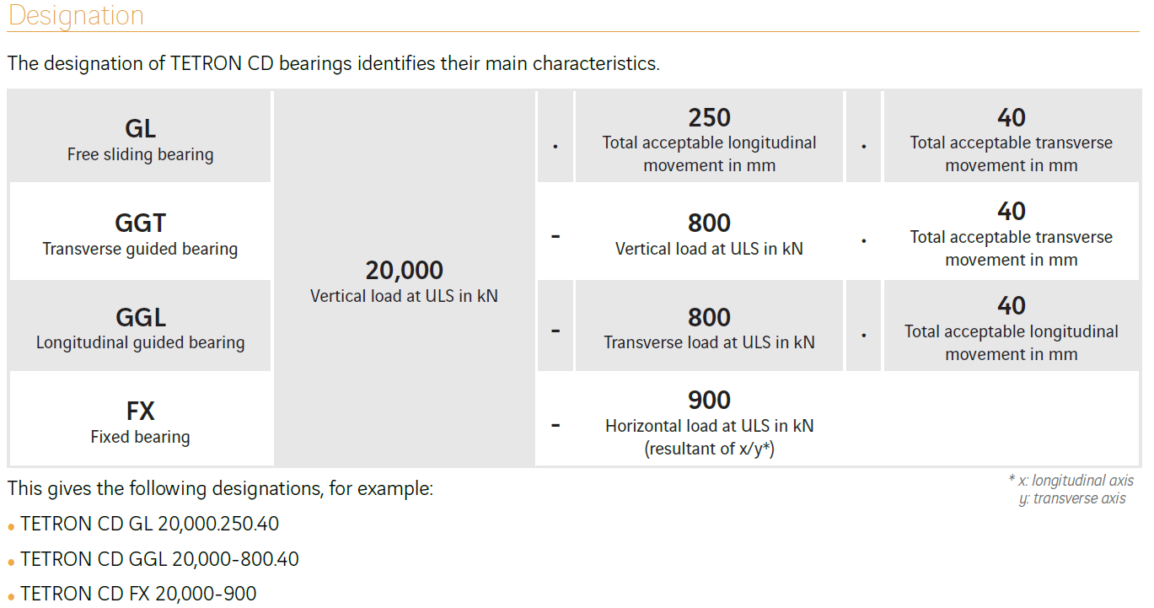
 |  | Corrosion protection: | Type V
 |  | Ruler & index (for GG bearings) | No
 |  | Protective skirt | No
 |  | Dynamic cell | No
 |  | Electrical insulating | No

 | Masonry plate | Upper masonry plate | No
 |  | Lower masonry plate | No

 | Adjacent structures: | Upper structure class: | Steel
 |  | Lower structure class: | C 35/45

 |  | Lower mortar thickness: [mm]

 | Fixings: | Upper fixings | Bolts+Dowels
 |  | Lower fixings | Bolts+Dowels

 | Special requirements:

